Sheet1
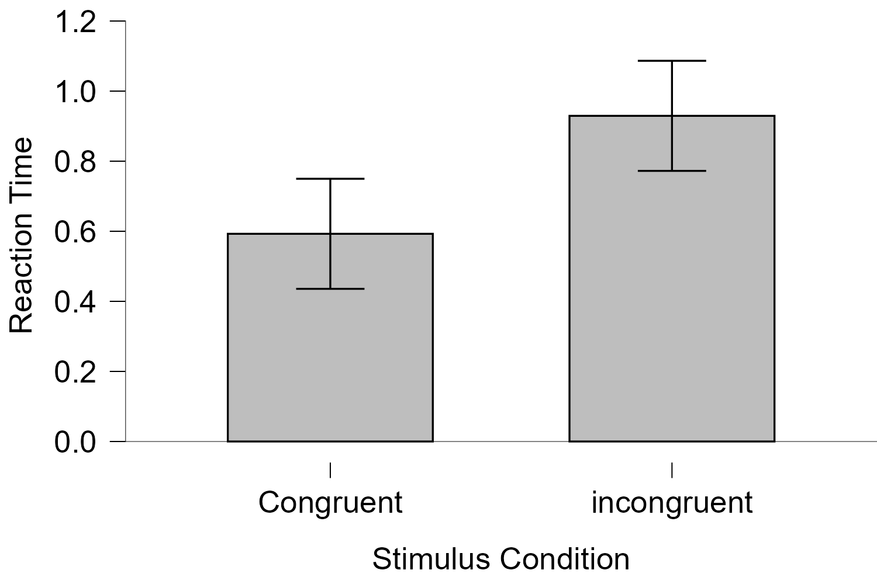
word | colour | stim_condition | correct_res | thisN | thisTrialN | thisRepN | key_resp.keys | key_resp.corr | key_resp.rt | key_resp.duration | trials.thisRepN | trials.thisTrialN | trials.thisN | trials.thisIndex | thisRow.t | notes | Instruction.started | text_2.started | key_resp_2.started | Instruction.stopped | key_resp_2.keys | key_resp_2.rt | key_resp_2.duration | trial.started | fixation.started | fixation.stopped | text.started | key_resp.started | text.stopped | trial.stopped | trials.key_resp.keys | trials.key_resp.corr | trials.key_resp.rt | trials.key_resp.duration | Thanks.started | text_3.started | text_3.stopped | Thanks.stopped | participant | session | date | expName | expVersion | psychopyVersion | frameRate | expStart | congruent | incongruent
 |  |  |  |  |  |  |  |  |  |  |  |  |  |  |  |  | 0.0021130999085 | 0.0070238999324 | 0.0070238999324 | 3.8121457 | space | 3.5699204999 | None |  |  |  |  |  |  |  |  |  |  |  |  |  |  |  | 20 | 1 | 2025-08-24_22h58.56.757 | stroop task final |  | 2025.1.1 | 59.717750032 | 2025-08-24 22h59.08.524866 +0530 | 1.4158776001 | 5.688463
RED | blue | Incongruent | b | 0 | 0 | 0 | b | 1 | 5.688463 | None | 0 | 0 | 0 | 1 | 3.851864 |  |  |  |  |  |  |  |  | 3.8447852 | 3.851864 | 4.3179033999 | 4.3179033999 | 4.3179033999 | 8.8177932999 | 10.0193051 | b | 1 | 5.688463 | None |  |  |  |  | 20 | 1 | 2025-08-24_22h58.56.757 | stroop task final |  | 2025.1.1 | 59.717750032 | 2025-08-24 22h59.08.524866 +0530 | 0.77042890002 | 1.3003952
RED | red | Congruent | r | 1 | 1 | 0 | r | 1 | 1.4158776001 | None | 0 | 1 | 1 | 0 | 10.0355894 |  |  |  |  |  |  |  |  | 10.0203764 | 10.0355894 | 10.5358285 | 10.5358285 | 10.5358285 |  | 11.9683147 | r | 1 | 1.4158776001 | None |  |  |  |  | 20 | 1 | 2025-08-24_22h58.56.757 | stroop task final |  | 2025.1.1 | 59.717750032 | 2025-08-24 22h59.08.524866 +0530 | 0.54440489993 | 0.57924809994
BLUE | blue | Congruent | b | 2 | 2 | 0 | b | 1 | 0.77042890002 | None | 0 | 2 | 2 | 3 | 11.9844337 |  |  |  |  |  |  |  |  | 11.9780396 | 11.9844337 | 12.4676704 | 12.4676704 | 12.4676704 |  | 13.2516395 | b | 1 | 0.77042890002 | None |  |  |  |  | 20 | 1 | 2025-08-24_22h58.56.757 | stroop task final |  | 2025.1.1 | 59.717750032 | 2025-08-24 22h59.08.524866 +0530 | 0.72543890006 | 0.61884060001
BLUE | red | Incongruent | r | 3 | 3 | 0 | r | 1 | 1.3003952 | None | 0 | 3 | 3 | 2 | 13.2683775 |  |  |  |  |  |  |  |  | 13.2523064 | 13.2683775 | 13.7510694 | 13.7510694 | 13.7510694 |  | 15.068377 | r | 1 | 1.3003952 | None |  |  |  |  | 20 | 1 | 2025-08-24_22h58.56.757 | stroop task final |  | 2025.1.1 | 59.717750032 | 2025-08-24 22h59.08.524866 +0530 | 0.74185009999 | 2.0090017
BLUE | blue | Congruent | b | 4 | 0 | 1 | b | 1 | 0.54440489993 | None | 1 | 0 | 4 | 3 | 15.084975 |  |  |  |  |  |  |  |  | 15.069468 | 15.084975 | 15.5677507 | 15.5677507 | 15.5677507 |  | 16.11833 | b | 1 | 0.54440489993 | None |  |  |  |  | 20 | 1 | 2025-08-24_22h58.56.757 | stroop task final |  | 2025.1.1 | 59.717750032 | 2025-08-24 22h59.08.524866 +0530 | 0.43622349994 | 0.71073269995
RED | red | Congruent | r | 5 | 1 | 1 | r | 1 | 0.72543890006 | None | 1 | 1 | 5 | 0 | 16.1347884 |  |  |  |  |  |  |  |  | 16.1220331 | 16.1347884 | 16.6177583 | 16.6177583 | 16.6177583 |  | 17.3518036 | r | 1 | 0.72543890006 | None |  |  |  |  | 20 | 1 | 2025-08-24_22h58.56.757 | stroop task final |  | 2025.1.1 | 59.717750032 | 2025-08-24 22h59.08.524866 +0530 | 0.41629579989 | 0.71103140002
BLUE | red | Incongruent | r | 6 | 2 | 1 | r | 1 | 0.57924809994 | None | 1 | 2 | 6 | 2 | 17.3684544 |  |  |  |  |  |  |  |  | 17.3560464 | 17.3684544 | 17.8511967 | 17.8511967 | 17.8511967 |  | 18.4348211 | r | 1 | 0.57924809994 | None |  |  |  |  | 20 | 1 | 2025-08-24_22h58.56.757 | stroop task final |  | 2025.1.1 | 59.717750032 | 2025-08-24 22h59.08.524866 +0530 | 0.57305030001 | 0.82059559994
RED | blue | Incongruent | b | 7 | 3 | 1 | b | 1 | 0.61884060001 | None | 1 | 3 | 7 | 1 | 18.4512236 |  |  |  |  |  |  |  |  | 18.4376294 | 18.4512236 | 18.9346232 | 18.9346232 | 18.9346232 |  | 19.5683784 | b | 1 | 0.61884060001 | None |  |  |  |  | 20 | 1 | 2025-08-24_22h58.56.757 | stroop task final |  | 2025.1.1 | 59.717750032 | 2025-08-24 22h59.08.524866 +0530 | 0.4800028 | 0.85837470007
BLUE | red | Incongruent | r | 8 | 0 | 2 | r | 1 | 2.0090017 | None | 2 | 0 | 8 | 2 | 19.5844245 |  |  |  |  |  |  |  |  | 19.5711195 | 19.5844245 | 20.0676844 | 20.0676844 | 20.0676844 |  | 22.0850921 | r | 1 | 2.0090017 | None |  |  |  |  | 20 | 1 | 2025-08-24_22h58.56.757 | stroop task final |  | 2025.1.1 | 59.717750032 | 2025-08-24 22h59.08.524866 +0530 | 0.66742160008 | 0.7186894
BLUE | blue | Congruent | b | 9 | 1 | 2 | b | 1 | 0.74185009999 | None | 2 | 1 | 9 | 3 | 22.1013059 |  |  |  |  |  |  |  |  | 22.0858257 | 22.1013059 | 22.5844971 | 22.5844971 | 22.5844971 |  | 23.3348644 | b | 1 | 0.74185009999 | None |  |  |  |  | 20 | 1 | 2025-08-24_22h58.56.757 | stroop task final |  | 2025.1.1 | 59.717750032 | 2025-08-24 22h59.08.524866 +0530 | 0.96737169998 | 0.39481590001
RED | blue | Incongruent | b | 10 | 2 | 2 | b | 1 | 0.71073269995 | None | 2 | 2 | 10 | 1 | 23.3511558 |  |  |  |  |  |  |  |  | 23.3375116 | 23.3511558 | 23.8346829 | 23.8346829 | 23.8346829 |  | 24.5516431 | b | 1 | 0.71073269995 | None |  |  |  |  | 20 | 1 | 2025-08-24_22h58.56.757 | stroop task final |  | 2025.1.1 | 59.717750032 | 2025-08-24 22h59.08.524866 +0530 | 0.49130340002 | 0.61029949994
RED | red | Congruent | r | 11 | 3 | 2 | r | 1 | 0.43622349994 | None | 2 | 3 | 11 | 0 | 24.5677517 |  |  |  |  |  |  |  |  | 24.5523739 | 24.5677517 | 25.0511821 | 25.0511821 | 25.0511821 |  | 25.502167 | r | 1 | 0.43622349994 | None |  |  |  |  | 20 | 1 | 2025-08-24_22h58.56.757 | stroop task final |  | 2025.1.1 | 59.717750032 | 2025-08-24 22h59.08.524866 +0530 | 0.51715289999 | 0.59407980007
RED | red | Congruent | r | 12 | 0 | 3 | r | 1 | 0.41629579989 | None | 3 | 0 | 12 | 0 | 25.5178507 |  |  |  |  |  |  |  |  | 25.5028365 | 25.5178507 | 26.0178162 | 26.0178162 | 26.0178162 |  | 26.4348295 | r | 1 | 0.41629579989 | None |  |  |  |  | 20 | 1 | 2025-08-24_22h58.56.757 | stroop task final |  | 2025.1.1 | 59.717750032 | 2025-08-24 22h59.08.524866 +0530 | 0.44428950001 | 0.45847039996
RED | blue | Incongruent | b | 13 | 1 | 3 | b | 1 | 0.71103140002 | None | 3 | 1 | 13 | 1 | 26.4512053 |  |  |  |  |  |  |  |  | 26.4352645 | 26.4512053 | 26.9344671 | 26.9344671 | 26.9344671 |  | 27.6517345 | b | 1 | 0.71103140002 | None |  |  |  |  | 20 | 1 | 2025-08-24_22h58.56.757 | stroop task final |  | 2025.1.1 | 59.717750032 | 2025-08-24 22h59.08.524866 +0530 | 0.3962212 | 0.53093180002
BLUE | red | Incongruent | r | 14 | 2 | 3 | r | 1 | 0.82059559994 | None | 3 | 2 | 14 | 2 | 27.6676875 |  |  |  |  |  |  |  |  | 27.6551272 | 27.6676875 | 28.1509492 | 28.1509492 | 28.1509492 |  | 28.9854259 | r | 1 | 0.82059559994 | None |  |  |  |  | 20 | 1 | 2025-08-24_22h58.56.757 | stroop task final |  | 2025.1.1 | 59.717750032 | 2025-08-24 22h59.08.524866 +0530 | 0.56235559995 | 0.36182370002
BLUE | blue | Congruent | b | 15 | 3 | 3 | b | 1 | 0.57305030001 | None | 3 | 3 | 15 | 3 | 29.0019662 |  |  |  |  |  |  |  |  | 28.9858366 | 29.0019662 | 29.4844381 | 29.4844381 | 29.4844381 |  | 30.0682003 | b | 1 | 0.57305030001 | None |  |  |  |  | 20 | 1 | 2025-08-24_22h58.56.757 | stroop task final |  | 2025.1.1 | 59.717750032 | 2025-08-24 22h59.08.524866 +0530 | 0.3097484 | 0.52915090008
RED | red | Congruent | r | 16 | 0 | 4 | r | 1 | 0.4800028 | None | 4 | 0 | 16 | 0 | 30.0844581 |  |  |  |  |  |  |  |  | 30.070985 | 30.0844581 | 30.5677627 | 30.5677627 | 30.5677627 |  | 31.0524881 | r | 1 | 0.4800028 | None |  |  |  |  | 20 | 1 | 2025-08-24_22h58.56.757 | stroop task final |  | 2025.1.1 | 59.717750032 | 2025-08-24 22h59.08.524866 +0530 | 0.53461440001 | 0.4118018999
BLUE | blue | Congruent | b | 17 | 1 | 4 | b | 1 | 0.66742160008 | None | 4 | 1 | 17 | 3 | 31.0678899 |  |  |  |  |  |  |  |  | 31.0580847 | 31.0678899 | 31.567923 | 31.567923 | 31.567923 |  | 32.2516637 | b | 1 | 0.66742160008 | None |  |  |  |  | 20 | 1 | 2025-08-24_22h58.56.757 | stroop task final |  | 2025.1.1 | 59.717750032 | 2025-08-24 22h59.08.524866 +0530 | 0.38375040004 | 0.35381979996
RED | blue | Incongruent | b | 18 | 2 | 4 | b | 1 | 0.85837470007 | None | 4 | 2 | 18 | 1 | 32.2679031 |  |  |  |  |  |  |  |  | 32.2548056 | 32.2679031 | 32.7511986 | 32.7511986 | 32.7511986 |  | 33.6183785 | b | 1 | 0.85837470007 | None |  |  |  |  | 20 | 1 | 2025-08-24_22h58.56.757 | stroop task final |  | 2025.1.1 | 59.717750032 | 2025-08-24 22h59.08.524866 +0530 | 0.47721159994 | 0.32739460003
BLUE | red | Incongruent | r | 19 | 3 | 4 | r | 1 | 0.7186894 | None | 4 | 3 | 19 | 2 | 33.6346073 |  |  |  |  |  |  |  |  | 33.6220212 | 33.6346073 | 34.1178756 | 34.1178756 | 34.1178756 |  | 34.8516599 | r | 1 | 0.7186894 | None |  |  |  |  | 20 | 1 | 2025-08-24_22h58.56.757 | stroop task final |  | 2025.1.1 | 59.717750032 | 2025-08-24 22h59.08.524866 +0530
BLUE | red | Incongruent | r | 20 | 0 | 5 | r | 1 | 0.39481590001 | None | 5 | 0 | 20 | 2 | 34.8678798 |  |  |  |  |  |  |  |  | 34.8522775 | 34.8678798 | 35.3512016 | 35.3512016 | 35.3512016 |  | 35.7516095 | r | 1 | 0.39481590001 | None |  |  |  |  | 20 | 1 | 2025-08-24_22h58.56.757 | stroop task final |  | 2025.1.1 | 59.717750032 | 2025-08-24 22h59.08.524866 +0530
RED | blue | Incongruent | b | 21 | 1 | 5 | b | 1 | 0.61029949994 | None | 5 | 1 | 21 | 1 | 35.7679236 |  |  |  |  |  |  |  |  | 35.754036 | 35.7679236 | 36.2510933 | 36.2510933 | 36.2510933 |  | 36.8684952 | b | 1 | 0.61029949994 | None |  |  |  |  | 20 | 1 | 2025-08-24_22h58.56.757 | stroop task final |  | 2025.1.1 | 59.717750032 | 2025-08-24 22h59.08.524866 +0530
RED | red | Congruent | r | 22 | 2 | 5 | r | 1 | 0.96737169998 | None | 5 | 2 | 22 | 0 | 36.8844953 |  |  |  |  |  |  |  |  | 36.8692836 | 36.8844953 | 37.3678693 | 37.3678693 | 37.3678693 |  | 38.3519509 | r | 1 | 0.96737169998 | None |  |  |  |  | 20 | 1 | 2025-08-24_22h58.56.757 | stroop task final |  | 2025.1.1 | 59.717750032 | 2025-08-24 22h59.08.524866 +0530
BLUE | blue | Congruent | b | 23 | 3 | 5 | b | 1 | 0.49130340002 | None | 5 | 3 | 23 | 3 | 38.3676496 |  |  |  |  |  |  |  |  | 38.3581834 | 38.3676496 | 38.8510938 | 38.8510938 | 38.8510938 |  | 39.3516693 | b | 1 | 0.49130340002 | None |  |  |  |  | 20 | 1 | 2025-08-24_22h58.56.757 | stroop task final |  | 2025.1.1 | 59.717750032 | 2025-08-24 22h59.08.524866 +0530
BLUE | blue | Congruent | b | 24 | 0 | 6 | b | 1 | 0.51715289999 | None | 6 | 0 | 24 | 3 | 39.3677606 |  |  |  |  |  |  |  |  | 39.3523581 | 39.3677606 | 39.8511296 | 39.8511296 | 39.8511296 |  | 40.384892 | b | 1 | 0.51715289999 | None |  |  |  |  | 20 | 1 | 2025-08-24_22h58.56.757 | stroop task final |  | 2025.1.1 | 59.717750032 | 2025-08-24 22h59.08.524866 +0530
BLUE | red | Incongruent | r | 25 | 1 | 6 | r | 1 | 0.59407980007 | None | 6 | 1 | 25 | 2 | 40.401 |  |  |  |  |  |  |  |  | 40.3854975 | 40.401 | 40.8845604 | 40.8845604 | 40.8845604 |  | 41.4850393 | r | 1 | 0.59407980007 | None |  |  |  |  | 20 | 1 | 2025-08-24_22h58.56.757 | stroop task final |  | 2025.1.1 | 59.717750032 | 2025-08-24 22h59.08.524866 +0530
RED | red | Congruent | r | 26 | 2 | 6 | r | 1 | 0.44428950001 | None | 6 | 2 | 26 | 0 | 41.5011452 |  |  |  |  |  |  |  |  | 41.4877716 | 41.5011452 | 41.9844748 | 41.9844748 | 41.9844748 |  | 42.4348251 | r | 1 | 0.44428950001 | None |  |  |  |  | 20 | 1 | 2025-08-24_22h58.56.757 | stroop task final |  | 2025.1.1 | 59.717750032 | 2025-08-24 22h59.08.524866 +0530
RED | blue | Incongruent | b | 27 | 3 | 6 | b | 1 | 0.45847039996 | None | 6 | 3 | 27 | 1 | 42.4511517 |  |  |  |  |  |  |  |  | 42.4354435 | 42.4511517 | 42.9346076 | 42.9346076 | 42.9346076 |  | 43.4016512 | b | 1 | 0.45847039996 | None |  |  |  |  | 20 | 1 | 2025-08-24_22h58.56.757 | stroop task final |  | 2025.1.1 | 59.717750032 | 2025-08-24 22h59.08.524866 +0530
RED | blue | Incongruent | b | 28 | 0 | 7 | b | 1 | 0.53093180002 | None | 7 | 0 | 28 | 1 | 43.4178198 |  |  |  |  |  |  |  |  | 43.4023585 | 43.4178198 | 43.9013983 | 43.9013983 | 43.9013983 |  | 44.4347938 | b | 1 | 0.53093180002 | None |  |  |  |  | 20 | 1 | 2025-08-24_22h58.56.757 | stroop task final |  | 2025.1.1 | 59.717750032 | 2025-08-24 22h59.08.524866 +0530
BLUE | blue | Congruent | b | 29 | 1 | 7 | b | 1 | 0.3962212 | None | 7 | 1 | 29 | 3 | 44.451065 |  |  |  |  |  |  |  |  | 44.4382967 | 44.451065 | 44.9345455 | 44.9345455 | 44.9345455 |  | 45.3349226 | b | 1 | 0.3962212 | None |  |  |  |  | 20 | 1 | 2025-08-24_22h58.56.757 | stroop task final |  | 2025.1.1 | 59.717750032 | 2025-08-24 22h59.08.524866 +0530
RED | red | Congruent | r | 30 | 2 | 7 | r | 1 | 0.56235559995 | None | 7 | 2 | 30 | 0 | 45.3512033 |  |  |  |  |  |  |  |  | 45.3383012 | 45.3512033 | 45.8345007 | 45.8345007 | 45.8345007 |  | 46.4018718 | r | 1 | 0.56235559995 | None |  |  |  |  | 20 | 1 | 2025-08-24_22h58.56.757 | stroop task final |  | 2025.1.1 | 59.717750032 | 2025-08-24 22h59.08.524866 +0530
BLUE | red | Incongruent | r | 31 | 3 | 7 | r | 1 | 0.36182370002 | None | 7 | 3 | 31 | 2 | 46.4188043 |  |  |  |  |  |  |  |  | 46.4052959 | 46.4188043 | 46.9026509 | 46.9026509 | 46.9026509 |  | 47.268277 | r | 1 | 0.36182370002 | None |  |  |  |  | 20 | 1 | 2025-08-24_22h58.56.757 | stroop task final |  | 2025.1.1 | 59.717750032 | 2025-08-24 22h59.08.524866 +0530
BLUE | red | Incongruent | r | 32 | 0 | 8 | r | 1 | 0.52915090008 | None | 8 | 0 | 32 | 2 | 47.2844707 |  |  |  |  |  |  |  |  | 47.2690378 | 47.2844707 | 47.7677875 | 47.7677875 | 47.7677875 |  | 48.3018815 | r | 1 | 0.52915090008 | None |  |  |  |  | 20 | 1 | 2025-08-24_22h58.56.757 | stroop task final |  | 2025.1.1 | 59.717750032 | 2025-08-24 22h59.08.524866 +0530
RED | blue | Incongruent | b | 33 | 1 | 8 | b | 1 | 0.4118018999 | None | 8 | 1 | 33 | 1 | 48.3176712 |  |  |  |  |  |  |  |  | 48.3045713 | 48.3176712 | 48.8010513 | 48.8010513 | 48.8010513 |  | 49.2183792 | b | 1 | 0.4118018999 | None |  |  |  |  | 20 | 1 | 2025-08-24_22h58.56.757 | stroop task final |  | 2025.1.1 | 59.717750032 | 2025-08-24 22h59.08.524866 +0530
BLUE | blue | Congruent | b | 34 | 2 | 8 | b | 1 | 0.3097484 | None | 8 | 2 | 34 | 3 | 49.234428 |  |  |  |  |  |  |  |  | 49.2222245 | 49.234428 | 49.7177183 | 49.7177183 | 49.7177183 |  | 50.0354574 | b | 1 | 0.3097484 | None |  |  |  |  | 20 | 1 | 2025-08-24_22h58.56.757 | stroop task final |  | 2025.1.1 | 59.717750032 | 2025-08-24 22h59.08.524866 +0530
RED | red | Congruent | r | 35 | 3 | 8 | r | 1 | 0.53461440001 | None | 8 | 3 | 35 | 0 | 50.0512837 |  |  |  |  |  |  |  |  | 50.038406 | 50.0512837 | 50.5511749 | 50.5511749 | 50.5511749 |  | 51.1016422 | r | 1 | 0.53461440001 | None |  |  |  |  | 20 | 1 | 2025-08-24_22h58.56.757 | stroop task final |  | 2025.1.1 | 59.717750032 | 2025-08-24 22h59.08.524866 +0530
RED | blue | Incongruent | b | 36 | 0 | 9 | r | 0 | 0.35381979996 | None | 9 | 0 | 36 | 1 | 51.1176235 |  |  |  |  |  |  |  |  | 51.1023525 | 51.1176235 | 51.6012552 | 51.6012552 | 51.6012552 |  | 51.9684117 | r | 0 | 0.35381979996 | None |  |  |  |  | 20 | 1 | 2025-08-24_22h58.56.757 | stroop task final |  | 2025.1.1 | 59.717750032 | 2025-08-24 22h59.08.524866 +0530
BLUE | red | Incongruent | r | 37 | 1 | 9 | b | 0 | 0.32739460003 | None | 9 | 1 | 37 | 2 | 51.9848187 |  |  |  |  |  |  |  |  | 51.9714272 | 51.9848187 | 52.467963 | 52.467963 | 52.467963 |  | 52.8016185 | b | 0 | 0.32739460003 | None |  |  |  |  | 20 | 1 | 2025-08-24_22h58.56.757 | stroop task final |  | 2025.1.1 | 59.717750032 | 2025-08-24 22h59.08.524866 +0530
BLUE | blue | Congruent | b | 38 | 2 | 9 | b | 1 | 0.38375040004 | None | 9 | 2 | 38 | 3 | 52.8176793 |  |  |  |  |  |  |  |  | 52.8024065 | 52.8176793 | 53.3011765 | 53.3011765 | 53.3011765 |  | 53.7024175 | b | 1 | 0.38375040004 | None |  |  |  |  | 20 | 1 | 2025-08-24_22h58.56.757 | stroop task final |  | 2025.1.1 | 59.717750032 | 2025-08-24 22h59.08.524866 +0530
RED | red | Congruent | r | 39 | 3 | 9 | r | 1 | 0.47721159994 | None | 9 | 3 | 39 | 0 | 53.7178238 |  |  |  |  |  |  |  |  | 53.7074671 | 53.7178238 | 54.2177448 | 54.2177448 | 54.2177448 |  | 54.7023632 | r | 1 | 0.47721159994 | None |  |  |  |  | 20 | 1 | 2025-08-24_22h58.56.757 | stroop task final |  | 2025.1.1 | 59.717750032 | 2025-08-24 22h59.08.524866 +0530
 |  |  |  |  |  |  |  |  |  |  |  |  |  |  |  |  |  |  |  |  |  |  |  |  |  |  |  |  |  |  |  |  |  |  | 54.7026967 | 54.7178865 | 55.7177884 | 55.7014307 | 20 | 1 | 2025-08-24_22h58.56.757 | stroop task final |  | 2025.1.1 | 59.717750032 | 2025-08-24 22h59.08.524866 +0530
 |  | #DIV/0! |  |  |  |  | mean | 0.95 | 0.761074355
 |  |  |  |  |  |  | SD | 0.22072142786 | 0.86186423821
 |  | 20 | cong |  |  |  | SE | 0.034899122023 | 0.13627270133
 |  | 0 |  |  |  |  | RT congruent |  | 0.592750675
 |  | 10 | incong |  |  |  | Rt incongruent |  | 0.99481923889
 |  |  |  |  | SD |  | #VALUE!

 | Results
 | Paired Samples T-Test
 | Paired Samples T-Test
 | Measure 1 |  |  |  | Measure 2 |  | t |  | df |  | p
 | Congruent |  | - |  | incongruent |  | -1.516 |  | 19 |  | 0.146

 | Note. Student's t-test.

 | Descriptives
 | Descriptives
 |  |  | N |  | Mean |  | SD |  | SE |  | Coefficient of variation
 | Congruent |  | 20 |  | 0.593 |  | 0.25 |  | 0.056 |  | 0.421
 | incongruent |  | 20 |  | 0.929 |  | 1.184 |  | 0.265 |  | 1.274

 | Descriptives Plots
 | Congruent - incongruent

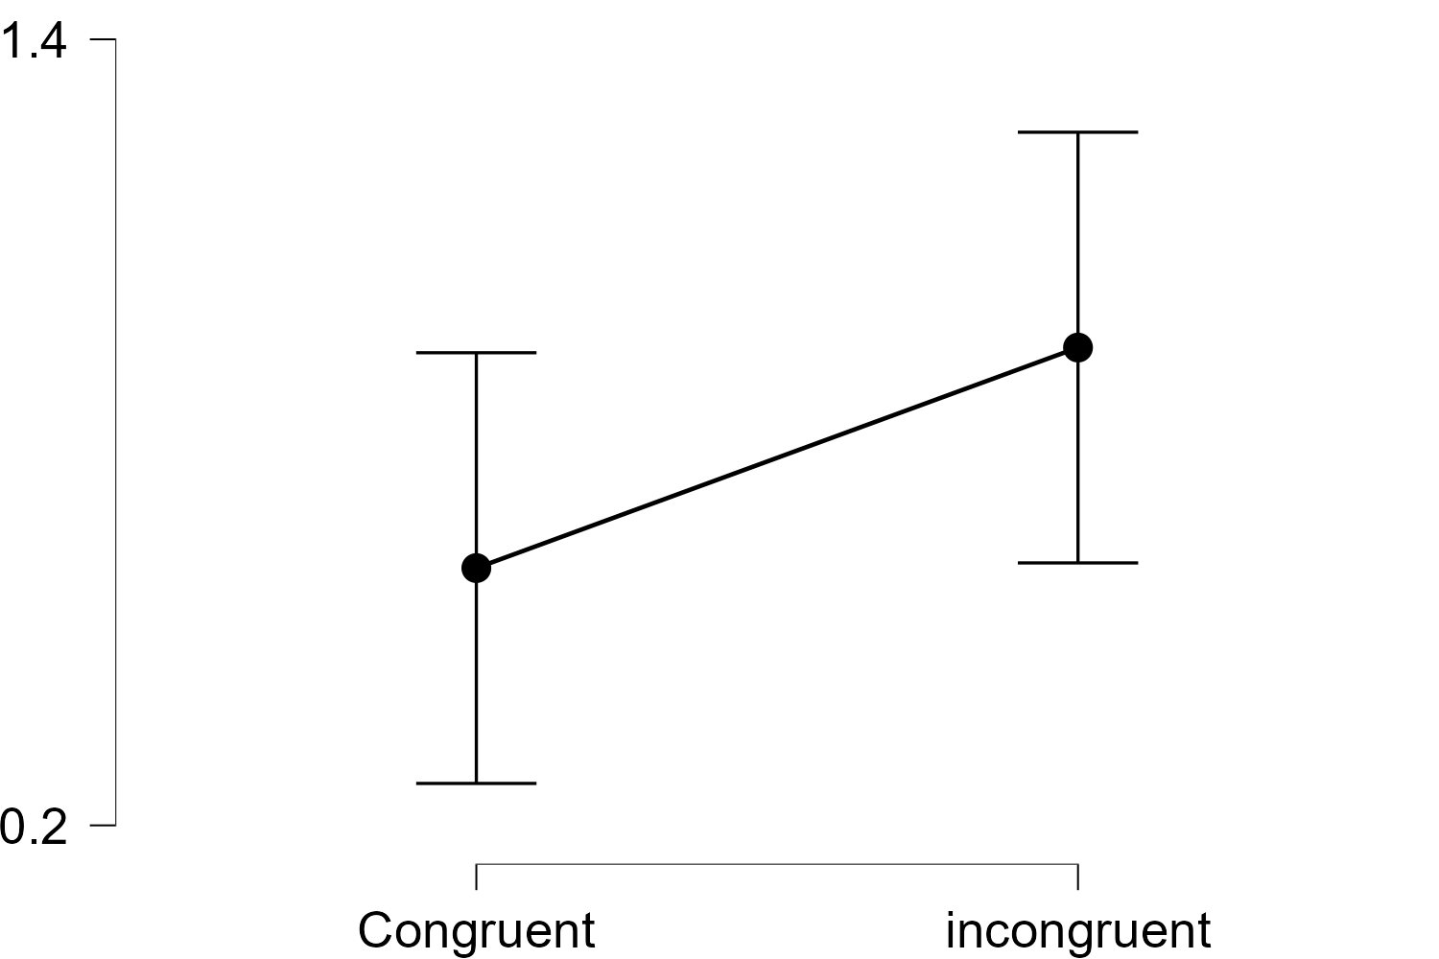
 | Bar Plots
 | Congruent - incongruent

